Figure A2
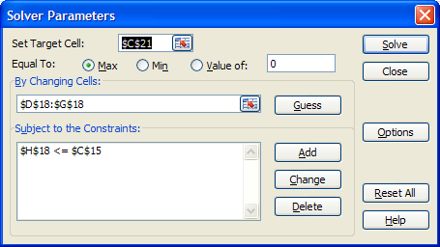

Figure A3
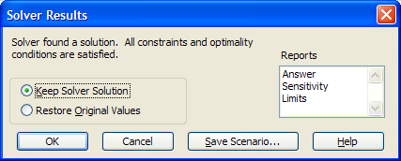

Figure A5
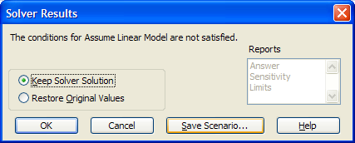

Figure B1
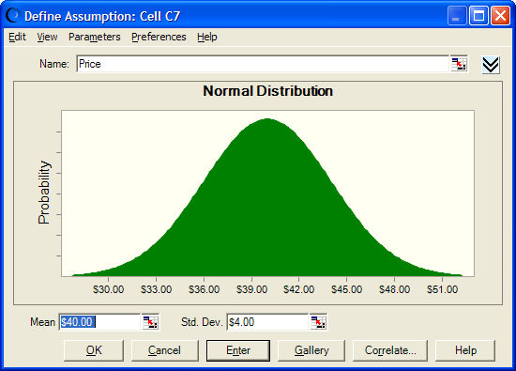

Figure B2
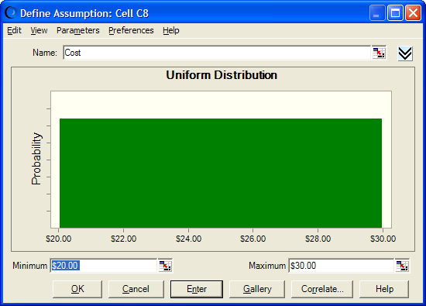

Figure B4
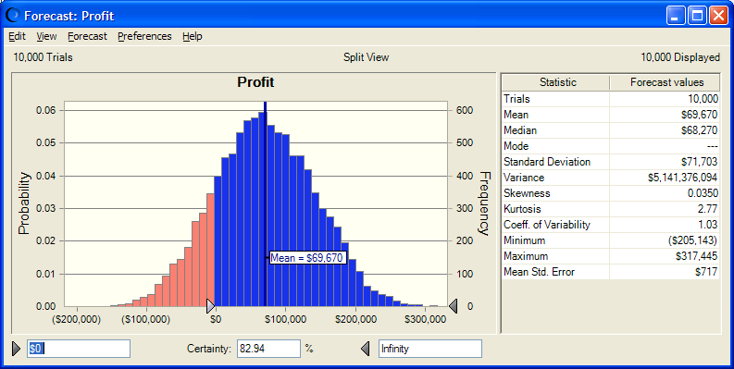

Figure C1
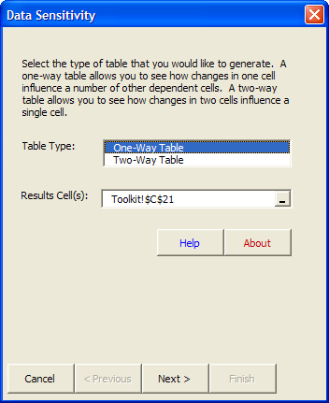

Figure C2
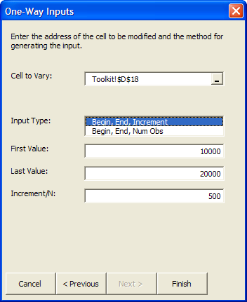

Figure C4
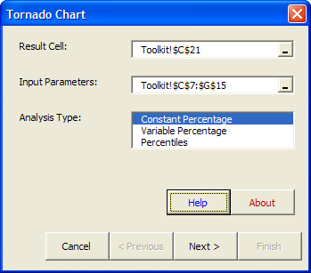

Figure C5
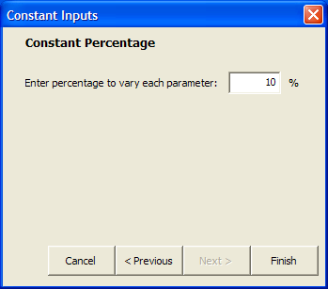

Figure C6
DATA TABLE |  |  |  |  | PARAMETER INFO
Parameter | -10 Pct | +10 Pct | Range | Base Case Result | Base Case | % Sensitivity | -% | +%
Price | 15389.75 | 123934.45 | 108544.70 | 69662.10 | 40.00 | 10.00 | 36.00 | 44.00
Cost | 109568.24 | 29755.96 | 79812.28 | 69662.10 | 25.00 | 10.00 | 22.50 | 27.50
$C$12 | 55295.89 | 84028.31 | 28732.42 | 69662.10 | 35.00 | 10.00 | 31.50 | 38.50
OHD rate | 79239.58 | 60084.63 | 19154.95 | 69662.10 | 0.15 | 10.00 | 0.14 | 0.16
$G$9 | 65352.24 | 73971.97 | 8619.73 | 69662.10 | 1.20 | 10.00 | 1.08 | 1.32
$E$9 | 65711.40 | 73612.81 | 7901.42 | 69662.10 | 1.10 | 10.00 | 0.99 | 1.21
$D$9 | 66429.71 | 72894.50 | 6464.79 | 69662.10 | 0.90 | 10.00 | 0.81 | 0.99
$F$9 | 66788.86 | 72535.35 | 5746.48 | 69662.10 | 0.80 | 10.00 | 0.72 | 0.88
$C$13 | 67994.79 | 71310.29 | 3315.50 | 69662.10 | 3000.00 | 10.00 | 2700.00 | 3300.00
$F$14 | 70562.10 | 68762.10 | 1800.00 | 69662.10 | 9000.00 | 10.00 | 8100.00 | 9900.00
$G$14 | 70562.10 | 68762.10 | 1800.00 | 69662.10 | 9000.00 | 10.00 | 8100.00 | 9900.00
$D$14 | 70462.10 | 68862.10 | 1600.00 | 69662.10 | 8000.00 | 10.00 | 7200.00 | 8800.00
$E$14 | 70462.10 | 68862.10 | 1600.00 | 69662.10 | 8000.00 | 10.00 | 7200.00 | 8800.00
Ad Budget | 69662.10 | 69662.10 | 0.00 | 69662.10 | 40000.00 | 10.00 | 36000.00 | 44000.00

Tornado Sensitivity Chart

Figure C7
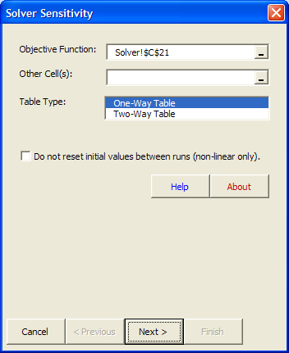

Figure C8
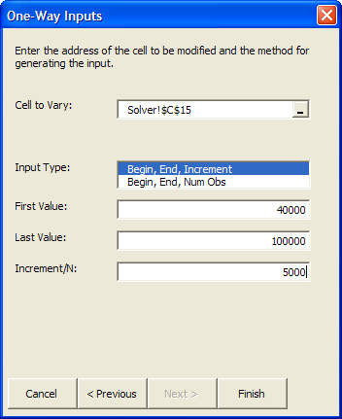

Figure C9
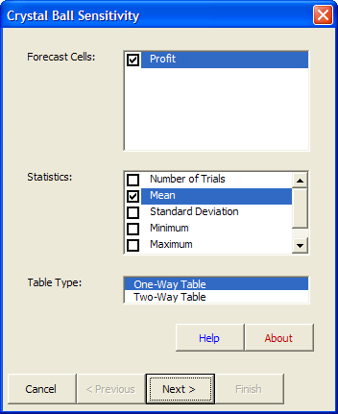

Figure C10
